Location Plan
Intelligent Data Collection Limited

Client: | Bristol City Council
Project Number: | ID02343
Survey Location: | Bouverie Street
Date of Survey: | 09.07.2015
Survey Type: | Pavement Count Survey

X Coordinate |  | Y Coordinate | Google Maps Link
51.461594 |  | -2.567488 | Click Here
AM Peak Conditions |  | Inter Peak Conditions | PM Peak Conditions
Sunny |  | Sunny | Sunny
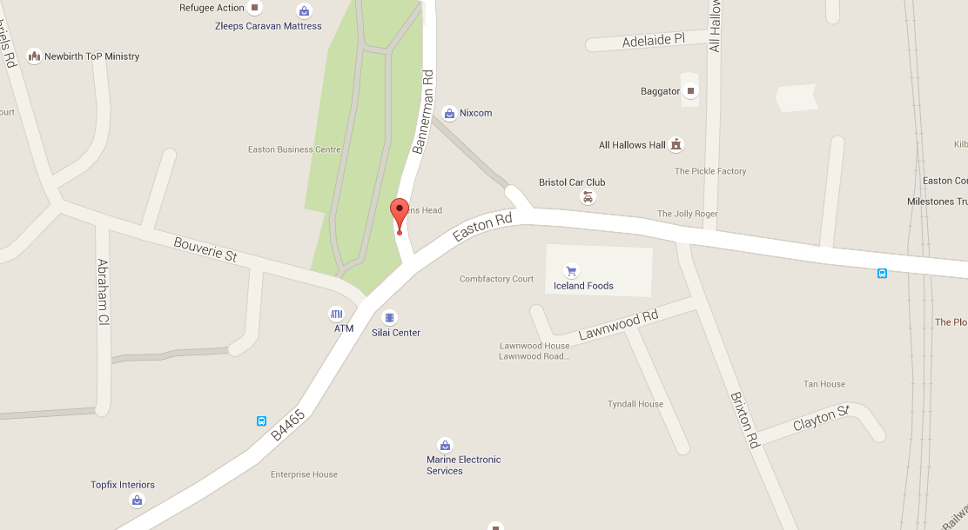
Junction Layout
N

4

3
2

1

Additional Notes (Factors which may impact on survey results such as accidents, roadworks, special events)

